Blk 1
Location: Old Blk 1

 | Electrical
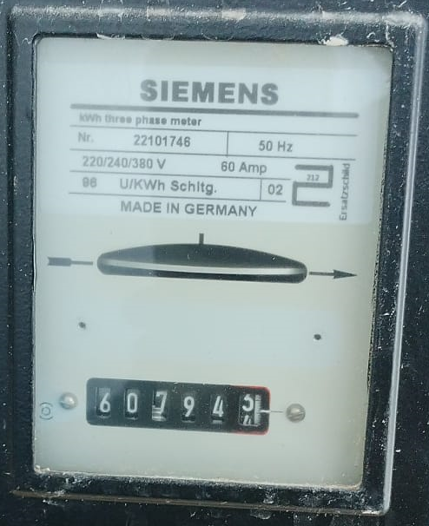

 | Reading on 1 Apr 2026 : | 607,944 | kWh | Reading on 2 May 2026 : | 607,944 | kWh
 | * Ext'g Blk 1 HOTO on 03/03/2025 |  |  | Consumption : | 0 | kWh
 | Water

 | Reading on 3 Mar 2025 : | 49 | m3 | Reading on 1 Apr 2025 : | 205 | m3
 | * Ext'g Blk 1 HOTO on 03/03/2025 |  |  | Consumption : | 156 | m3

Blk 3
Location: Old Blk 3 (Phase 2 Site Office Usage)

 | Electrical
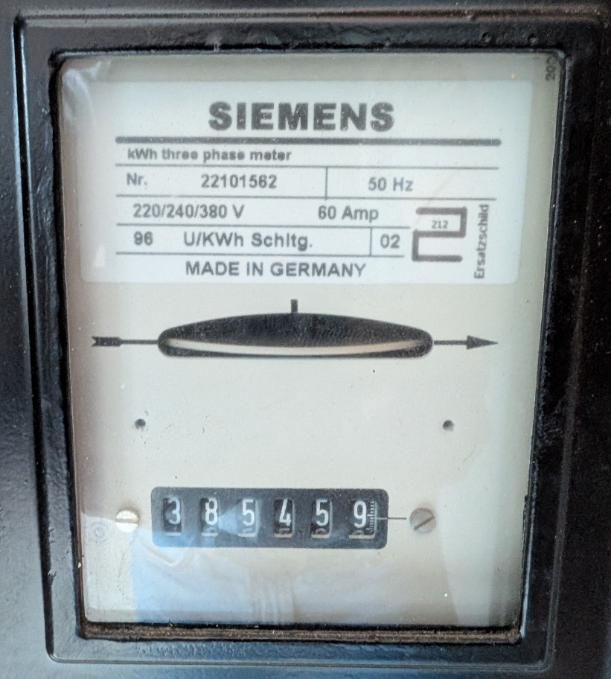
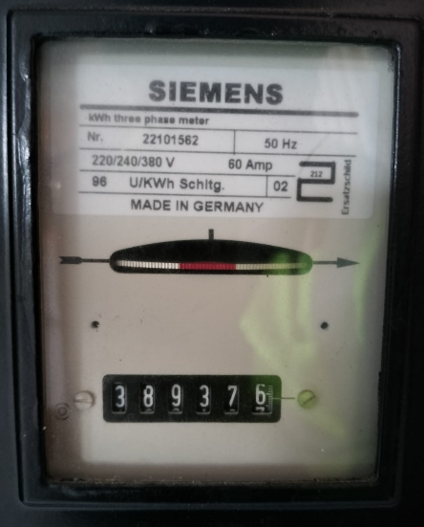

 | Reading on 1 Apr 2026 : | 385,459 | kWh | Reading on 26 Apr 2026 : | 389,376 | kWh
 | * Site Office Power supply tap from Blk 6 MSB at 26/04/2026 |  |  | Consumption : | 3,917 | kWh

 | Water
 | [* temp supply]
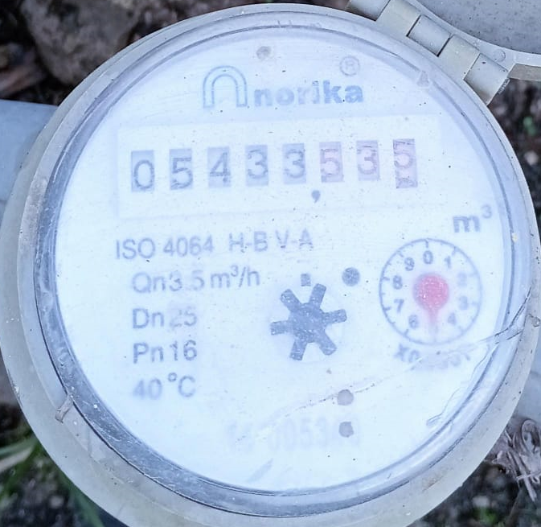

 | Reading on 1 Apr 2026 : | 5,433.535 | m3 | Reading on 2 May 2026 : | 5,433.535 | m3
 | * Old BLK 3 started tapped for site office since 12/03/2025 |  |  | Consumption : | 0.00 | m3

Blk 22
Location: Old Blk 22 (Phase 2 Site Usage)

 | Water
 | [* temp supply]

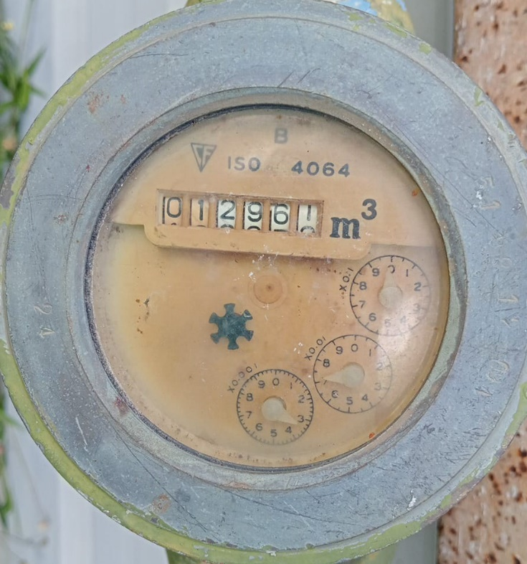

 | Reading on 1 Apr 2026 : | 12,961 | m3 | Reading on 2 May 2026 : | 12,961 | m3
 | * Ext'g BLK 22 HOTO on 25/02/2025 |  |  | Consumption : | 0.00 | m3

